Sheet1
PICTURE | ITEM NUMBER | DESCRIPTION | QUANTITY | ORIG RET | EXT RET | Product Link
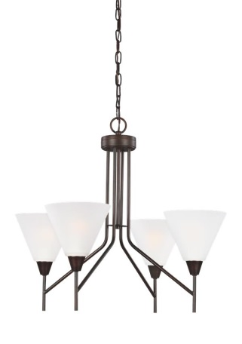

 |  |  |  |  |  | http://www.bellacor.com/productdetail/sea-gull-lighting-3111204-710-ashburne-burnt-sienna-four-light-chandelier-with-satin-etched-1598705.htm?partid=bingPLAFeed-Chandeliers-1598705&k_id=735p304766&utm_source=bing&utm_medium=cpc&utm_campaign=shopping%20_%2

 | 311204-710 | ASHBURN BURNT SIENNA FOUR LIGHT CHANDELIER | 18 | $238.00 | $4,284.00

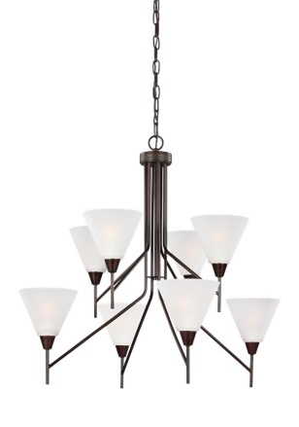

 |  |  |  |  |  | http://www.bellacor.com/productdetail/sea-gull-lighting-3111208-710-ashburne-burnt-sienna-eight-light-chandelier-with-satin-etched-1598709.htm?partid=bingPLAFeed-Chandeliers-1598709&k_id=735p304766&utm_source=bing&utm_medium=cpc&utm_campaign=shopping%20_%

 | 3111208-710 | ASHBURN BURNT SIENNA EIGHT LIGHT CHANDELIER | 9 | $502.00 | $4,518.00

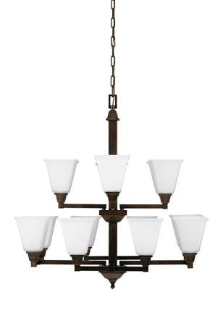

 |  |  |  |  |  | https://www.build.com/sea-gull-lighting-3150412-chandelier/s940022?uid=2349446&source=msn-pa_2349446_11233596636_http%3A%2F%2Fpixel.everesttech.net%2F4215%2Fcq%3Fev_sid%3D10&ev_ltx=pla%3A234&s_kwcid=AL!4215!10!11233596636!4582352147725069&ef_id=V18MyAAAAf

 | 3150412-710 | DENHELM BURNT SIENNA TWELVE LIGHT CHANDELIER | 6 | $1,004.00 | $6,024.00

PICTURE | ITEM NUMBER | DESCRIPTION |  |  |  | Product Link
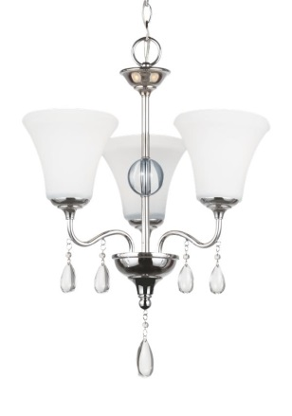

 |  |  |  |  |  | https://www.lightingdirect.com/sea-gull-lighting-3210503ble-west-town-3-light-energy-star-1-tier-chandelier/p2665892?source=msn-pa_2665892_9108576659_SEAGULL%20LIGHTING%20WEST%20TOWN%20CHROME%20THREE%20LIGHT%20CHANDELIER&s_kwcid=AL!3805!10!9108576659!4582

 | 3210503BLE-05 | WEST TOWN CHROME THREE LIGHT CHANDELIER | 32 | $319.00 | $10,208.00

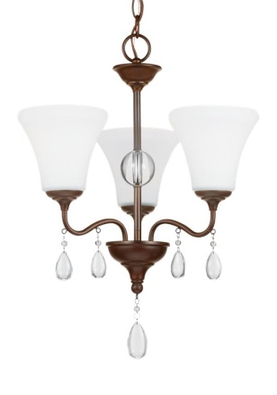

 |  |  |  |  |  | https://www.lightingdirect.com/sea-gull-lighting-3210503-west-town-3-light-1-tier-chandelier/p2665891?source=msn-pa_2665891_9108576659_http://pixel.everesttech.net/3805/cq?ev_sid=10&ev_ltx=pla:2665&s_kwcid=AL!3805!10!9108576659!4582352147725068&ef_id=V18M

 | 3210503BLE-710 | WEST TOWN BURNT SIENNA THREE LIGHT CHANDELIER | 32 | $277.00 | $8,864.00

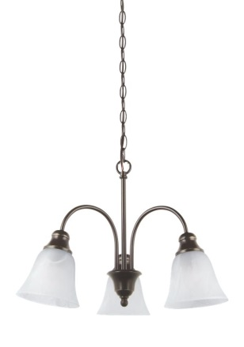

 |  |  |  |  |  | http://www.bellacor.com/productdetail/sea-gull-lighting-35949-782-windgate-heirloom-bronze-three-light-downlight-chandelier-1558119.htm?partid=bingPLAFeed-Chandeliers-1558119&k_id=735p304766&utm_source=bing&utm_medium=cpc&utm_campaign=shopping%20_%20light

 | 35949BLE-782 | WINGATE HEIRLOOM BRONZE THREE LIGHT CHANDELIER | 63 | $141.00 | $8,883.00

PICTURE | ITEM NUMBER | DESCRIPTION |  |  |  | Product Link
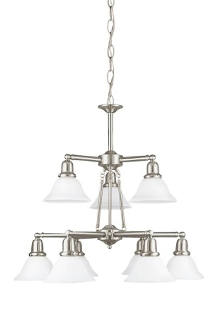

 |  |  |  |  |  | https://www.amazon.com/Sea-Gull-Lighting-39063BLE-962-Fluorescent/dp/B0019VZ09U

 | 39063BLE-962 | SUSSEX BRUSHED NICKEL NINE LIGHT CHANDELIER | 10 | $635.00 | $6,350.00

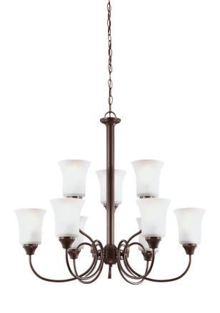

 |  |  |  |  |  | http://www.lightsonline.com/sea-gull-lighting-39810ble-827-holman-9-light-chandelier-in-bell-metal-bronze.html

 | 39810BLE-827 | HOLMAN BELL METAL BRONZE NINE LIGHT CHANDELIER | 7 | $728.00 | $5,096.00

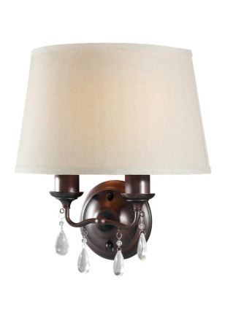

 |  |  |  |  |  | http://www.hansenwholesale.com/lighting/seagull/model.asp?Mfg=SG&ModelNo=4110502BLE-710&utm_source=bingcse&utm_medium=cpc&UTM_Campaign=BingCSE&CAWELAID=&CAWELAID=320011400000616785&catargetid=320011400000627108&CADEVICE=c

 | 4110502BLE-710 | WEST TOWN BURNT SIENNA TWO LIGHT WALL SCONCE | 54 | $210.00 | $11,340.00

PICTURE | ITEM NUMBER | DESCRIPTION |  |  |  | Product Link

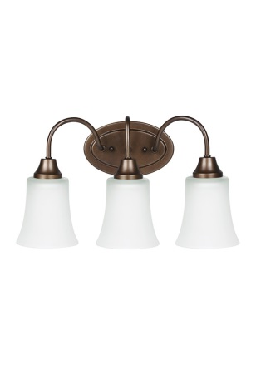

 |  |  |  |  |  | http://www.hansenwholesale.com/lighting/seagull/model.asp?Mfg=SG&ModelNo=44808EN-827&utm_source=bingcse&utm_medium=cpc&UTM_Campaign=BingCSE&CAWELAID=&CAWELAID=320011400000652874&catargetid=320011400000627108&CADEVICE=c

 | 49808BLE-827 | HOLMAN BELL METAL BRONZE THREE LIGHT WALL/BATH | 50 | $149.00 | $7,450.00

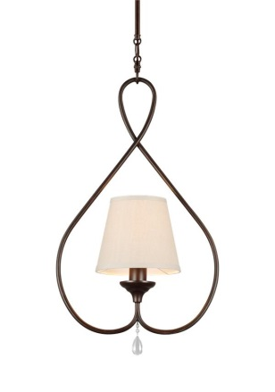

 |  |  |  |  |  | https://www.lightingdirect.com/sea-gull-lighting-6110501ble-west-town-1-light-energy-star-full-sized-pendant/p2665723

 | 6110501BLE-710 | WEST TOWN BURNT SIENNA ONE LIGHT MINI PENDANT | 18 | $263.00 | $4,734.00

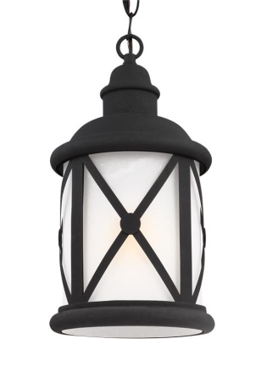

 |  |  |  |  |  | http://www.hansenwholesale.com/lighting/seagull/model.asp?Mfg=SG&ModelNo=6221401BLE-12&utm_source=bingcse&utm_medium=cpc&UTM_Campaign=BingCSE&CAWELAID=&CAWELAID=320011400000616562&catargetid=320011400000627116&CADEVICE=c

 | 6221401BLE-12 | LAKEVIEW BLACK ONE LIGHT OUTDOOR PENDANT | 54 | $289.00 | $15,606.00

PICTURE | ITEM NUMBER | DESCRIPTION |  |  |  | Product Link
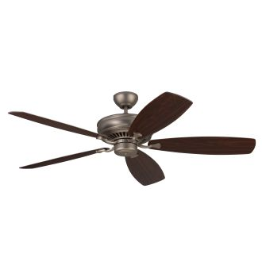

 |  |  |  |  |  | https://www.lightingdirect.com/monte-carlo-bonneville-max-5-bladed-60-indoor-ceiling-fan-energy-star-rated-and-blades-included/p2404489

 |  | MONTE CARLO BRUSHED PEWTER
 | 5BHM60BP | 5 BLADE 60 " CEILING FAN BLADES INCLUDED | 24 | $402.00 | $9,648.00

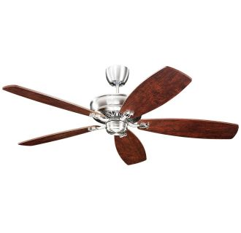

 |  |  |  |  |  | https://www.lightingdirect.com/monte-carlo-royalton-5-blade-indoor-ceiling-fan-blades-not-included/p2381003

 |  | MONTE CARLO ENGLISH PEWTER 5 BLADE
 | 5RYEP | CELING FAN BLADES NOT INCLUDED | 36 | $502.00 | $18,072.00
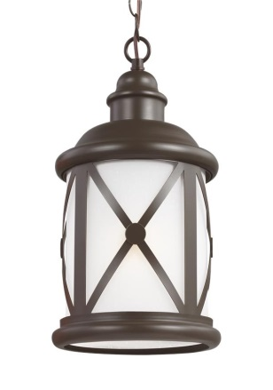

 |  |  |  |  |  | http://www.hansenwholesale.com/lighting/seagull/model.asp?Mfg=SG&ModelNo=6221401BLE-71&utm_source=bingcse&utm_medium=cpc&UTM_Campaign=BingCSE&CAWELAID=&CAWELAID=320011400000616563&catargetid=320011400000627116&CADEVICE=c

 | 6221401BLE-710 | LAKEVIEW ANTIQUE BRONZE ONE LIGHT PENDANT | 54 | $291.00 | $15,714.00

PICTURE | ITEM NUMBER | DESCRIPTION |  |  |  | Product Link

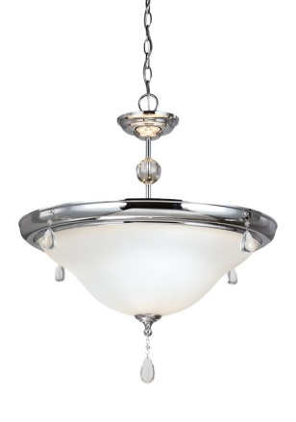

 |  |  |  |  |  | http://www.hansenwholesale.com/lighting/seagull/model.asp?Mfg=SG&ModelNo=6510503-05&utm_source=bingcse&utm_medium=cpc&UTM_Campaign=BingCSE&CAWELAID=&CAWELAID=320011400000616608&catargetid=320011400000627116&CADEVICE=c

 | 6510503-05 | WEST TOWN CHROME THREE LIGHT PENDANT | 14 | $389.00 | $5,446.00

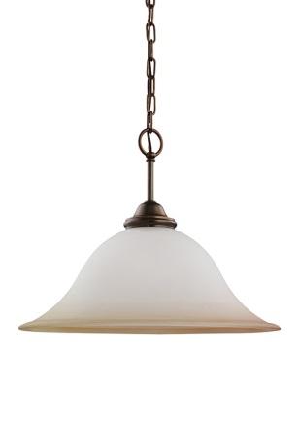

 |  |  |  |  |  | https://www.build.com/sea-gull-lighting-65360-pendant-light/s288171?uid=530174&source=msn-pa_530174_9117881502_4582420867196519&s_kwcid=AL!4215!10!9117881502!4582420867196519&ef_id=V18MyAAAAfCSRYRp%3A20170322204944%3As

 | 65360-829 | RIALTO RUSSET BRONZE ONE LIGHT PENDANT | 34 | $284.00 | $9,656.00

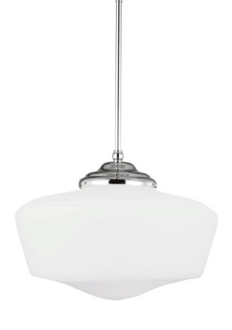

 |  |  |  |  |  | https://www.build.com/sea-gull-lighting-65439ble-pendant-light/s846903?uid=2665826&source=msn-pa_2665826_9117881502_SEAGULL%20LIGHTING%2065439BLE-05&s_kwcid=AL!4215!10!9117881502!4582420867196519&ef_id=V18MyAAAAfCSRYRp%3A20170322205313%3As

 | 65439BLE-05 | ACADEMY CHROME EXTRA LARGE ONE LIGHT PENDANT | 18 | $229.00 | $4,122.00

PICTURE | ITEM NUMBER | DESCRIPTION |  |  |  | Product Link

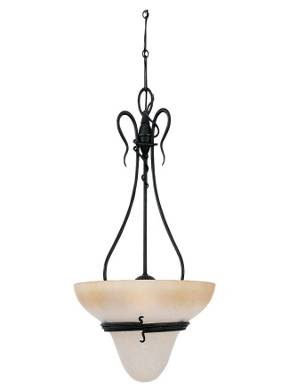

 |  |  |  |  |  | http://www.lightingdesignexperts.com/lighting/14-509-840-0-11969/Sea-Gull-Lighting_Three-Light-Pendant-6614-185.htm?source=bingshoppinglde&kw=adcenter-Sea%20Gull%20Lighting&CAWELAID=1554546769&utm_source=bing&utm_medium=cpc&utm_campaign=Sea%20Gull%20-%20P

 | 6614-185 | SARANAC LAKE FORGE IRON THREE LIGHT PENDANT | 12 | $464.00 | $5,568.00

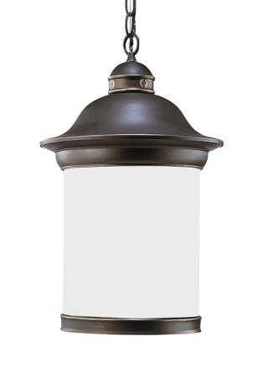

 |  |  |  |  |  | http://www.seagulllightingexperts.com/lighting/4-10-669-0-315075/Sea-Gull-Lighting_Hermitage---One-Light-Pendant-69191BLE-71.htm

 |  | HERMITAGE ANTIQUE BRONZE
 | 69191BLE-71 | ONE LIGHT OUTDOOR PENDANT | 30 | $377.00 | $11,310.00

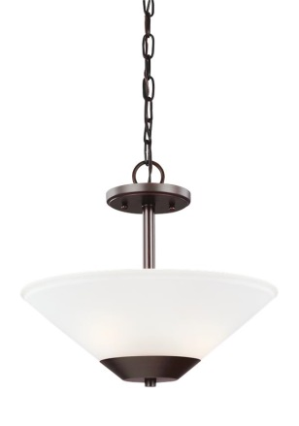

 |  |  |  |  |  | https://www.lightingdirect.com/sea-gull-lighting-1897711202-ashburne-2-light-full-sized-pendant/p2666076?source=msn-pa_2666076_9108501412_SEAGULL%20LIGHTING%207711202-710&s_kwcid=AL!3805!10!9108501412!4582489586677199&ef_id=V18MyAAAAfCSRYRp:20170322210736:s

 |  | ASHBURNER BURNT SIENNA TWO LIGHT
 | 7711202BLE-710 | SEMI FLUSH MOUNT CONVERTIBLE PENDANT | 40 | $189.00 | $7,560.00

PICTURE | ITEM NUMBER | DESCRIPTION |  |  |  | Product Link

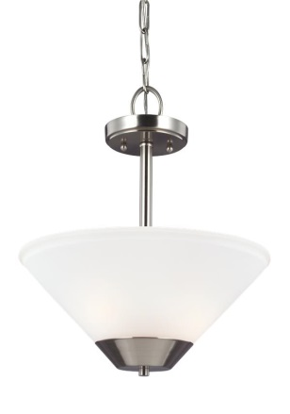

 |  |  |  |  |  | https://www.atgstores.com/pendant-lights/sea-gull-lighting-7711202ble-ashburne-fluorescent-2-light-convertible-pendant-semi-flush-fixture_12633816.html?ppc=3631&af=3631&cm_mmc=sce_bing&s_kwcid=AL!4500!10!13804321802!1100012583871&utm_source=bing&utm_mediu

 |  | ASHBURNER BRUSHED NICKEL TWO LIGHT
 | 7711202BLE-962 | SEMI FLUSH MOUNT CONVERTIBLE PENDANT | 40 | $228.00 | $9,120.00

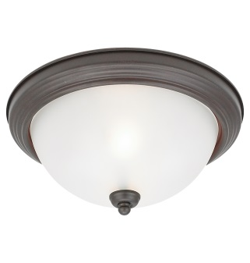

 |  |  |  |  |  | http://www.1stoplighting.com/lighting/18-462-635-0-242170/Sea-Gull-Lighting_Three-Light-Flush-Mount-79565BLE-814.htm?CAWELAID=230004010001048080&utm_source=msn&campaignid=43302091&adgroupid=3783748730&adposition={adposition}&keyword=&network=o&matchtype=e

 |  | CEILING FLUSH MOUNT MISTED BRONZE
 | 79565BLE-814 | THREE LIGHT CEILING MOUNT LIGHT | 60 | $199.00 | $11,940.00
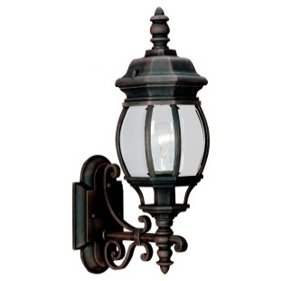
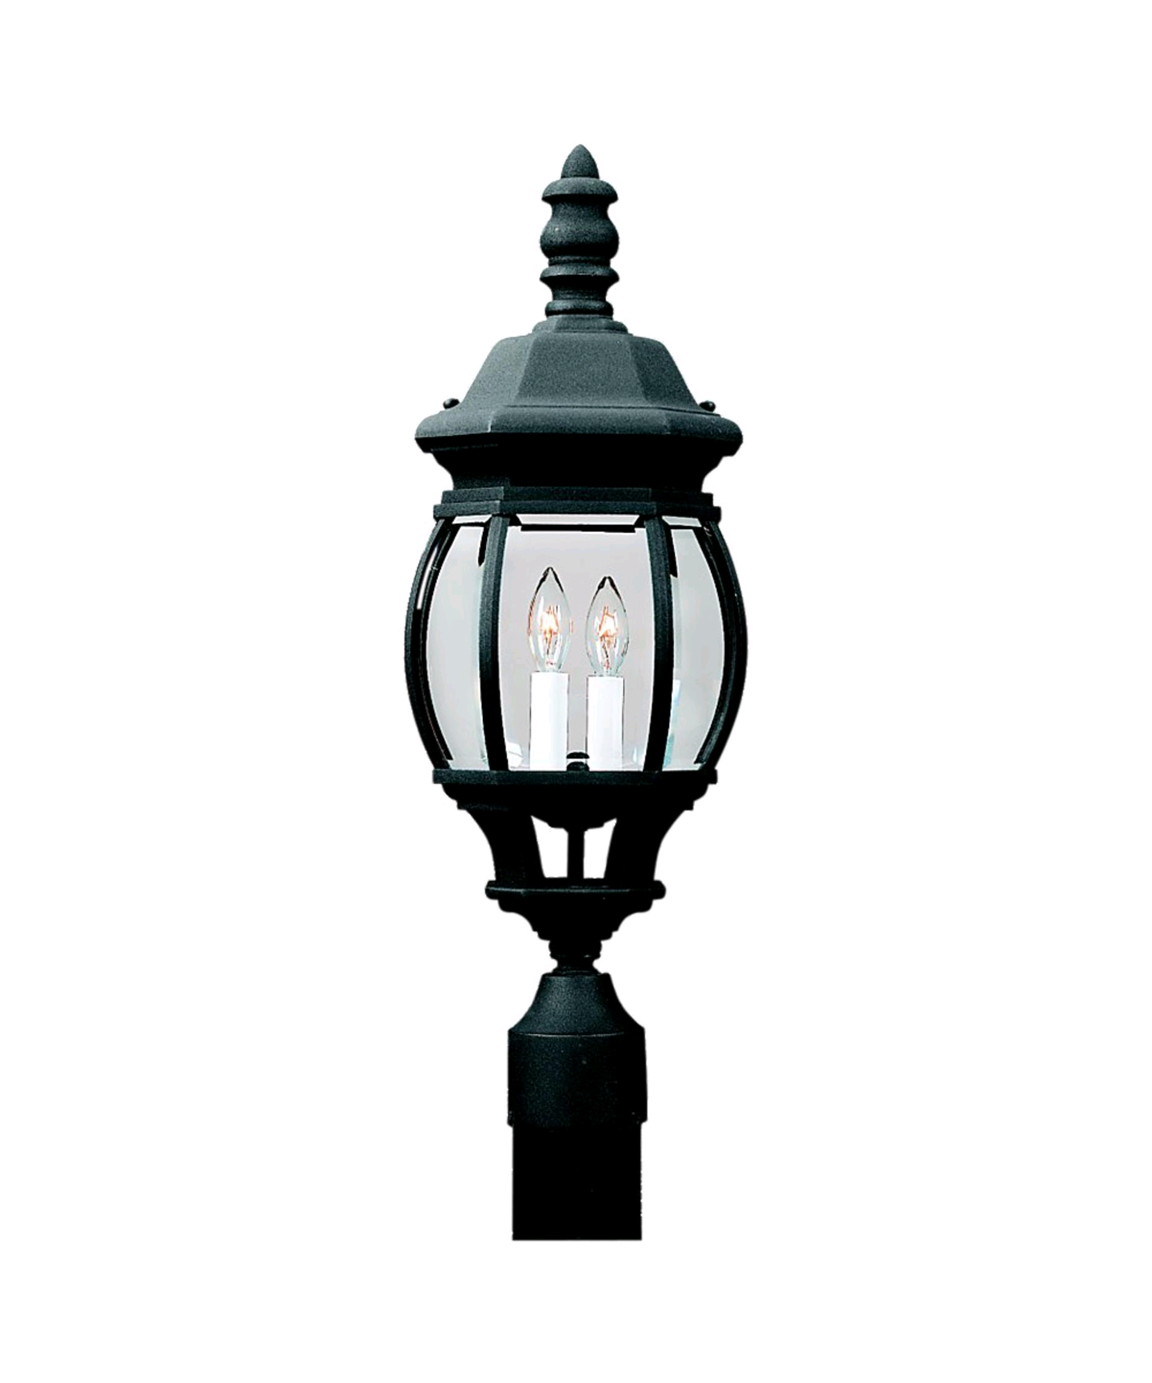

 |  |  |  |  |  | http://www.1800lighting.com/Sea-Gull-Lighting/Wynfield/item.cfm?itemsku=82200-12&utm_source=bing&utm_medium=cpc&utm_campaign=PLA%7CNB%20-%20Outdoor%20Post%20Lamps_%5BPLA%5D%20%5BShopping%5D&utm_term=1100202261428&utm_content=Outdoor%20Post%20Lamps

 |  | WYNFIELD TAWNY BRONZE
 | 882200-821 | TWO LIGHT OUTDOOR POST LAMP | 56 | $92.00 | $5,152.00

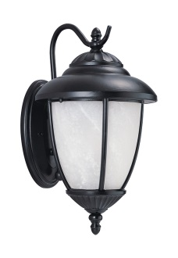

 |  |  |  |  |  | https://www.amazon.com/Seagull-89049PBLE-12-Single-Light-Yorktown-Lantern/dp/B000JZNLF2

 | 89049BLE-12 | YORKTOWN BLACK ONE LIGHT WALL LANTERN | 70 | $89.00 | $6,230.00

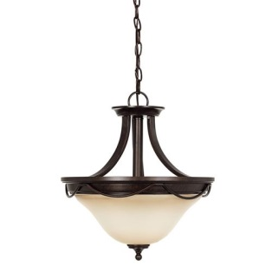
PICTURE | ITEM NUMBER | DESCRIPTION |  |  |  | Product Link
 | 75497-710 | PARK WEST BURNT SIENNA
 |  | TWO CEILING FLUSH MOUNT LIGHT | 40 | $130.00 | $5,200.00 | https://www.amazon.com/Sea-Gull-Lighting-75497-710-Ceiling/dp/B00I0OPPPI

 |  |  | 881 |  | $218,095.00

